Batteries
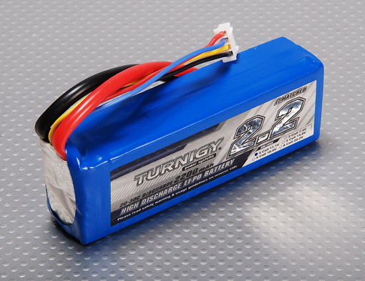

 |  |  |  |  |  |  |  | Battery | Cost | Wh/kg | Joules/kg | Joules/ | Wh/liter
 |  |  |  |  |  |  |  | Type | $ per Wh |  |  | Newton

 |  |  |  |  |  |  |  | Lead-acid | $0.17 | 41 | 146,000 | 14,898 | 100

 |  |  | weight | 0.188 | kg |  |  | Alkaline long-life | $0.19 | 110 | 400,000 | 40,816 | 320
 |  |  | V | 11.1 | volts
Capacity(mAh) | 2200 |  | I | 2.2 | amps |  |  | Carbon-zinc | $0.31 | 36 | 130,000 | 13,265 | 92
Config (s) | 3 | Spec. | t | 3600 | sec
Discharge (c) | 20 | Minimum Capacity: 2200mAh (True 100% Capacity) |  |  |  |  |  | NiMH | $0.99 | 95 | 340,000 | 34,694 | 300
Weight (g) | 188 | Configuration: 3S1P / 11.1v / 3Cell | E | 87912 | J | 24.42 | Wh
Max Charge Rate (C) | 2 | Constant Discharge: 20C |  |  |  |  |  | NiCad | $1.50 | 39 | 140,000 | 14,286 | 140
Length-A(mm) | 103 | Peak Discharge (10sec): 30C | K | 467617.02128 | J/kg | 47716 | J/N
Height-B(mm) | 33 | Pack Weight: 188g |  |  |  |  |  | Lithium-ion | $0.47 | 128 | 460,000 | 46,939 | 230
Width-C(mm) | 24 | Pack Size: 103 x 33 x 24mm
 |  | Charge Plug: JST-XH
 |  | Discharge Plug: XT60

